24_10_2014
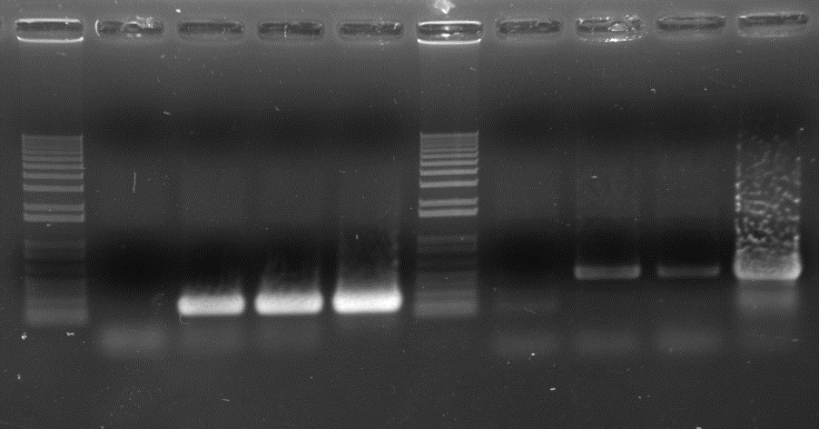
Date : | 2014-10-24 | Title : | Yam-polerovirus detection

Manipulator : | Denis Filloux
Author : | Denis Filloux

RT-PCR : |  |  |  |  | Mix RT-PCR | Dose (µl) | Dose (µl)
 |  |  |  |  | Nb. samples | 1 | 5.5
- Dispense 25 µl of Mix PCR into each PCR tube
- Add 1 µl of RNA into each tube |  |  |  |  | RNase-free H2O | 15 | 82.5
- Run the PCR with this program : |  |  |  |  | 5 X Qiagen OneStep RT-PCR Buffer | 5 | 27.5
 | step 1 : 50°C for 30 min |  |  |  | dNTP Mix (10 mM) | 1 | 5.5
 | step 2 : 95°C for 15 min |  |  |  | Forward primer (10 µM) | 1.5 | 8.25
 | step 3 : 94°C for 1 min |  |  |  | Reverse primer (10 µM) | 1.5 | 8.25
 | step 4 : 55°C for 1 min |  |  |  | Qiagen OneStep RT-PCR Enzyme Mix | 1 | 5.5
 | step 5 : 72°C for 1 min (35 cycles with step 3)
 | step 6 : 72°C for 10 min |  |  |  | Total | 25 | 137.5
 | step 7 : 15°C (pause)
- Migrate the PCR product : 25 min (agarose 1,2 g/l TAE ; 100 V) |  |  |  | RNA1 | LuteoCP1F : CCCACCAATGGTTGTGGTC
 |  |  |  |  | LuteoCP2R : GTGGTAGGCGTTAAGAATTCC
 |  |  |  |  | Filloux (unpublished) | Size of PCR product : 228 bp

 |  |  |  | RNA2 | LuteoRdRp1F : GGCTGGCCCCAGTTCGG
 |  |  |  |  | LuteoRdRp2R : GCGGTAACGCCCCTCATC
 |  |  |  |  | Filloux (unpublished) | Size of PCR product : 490 bp

 |  |  |  |  | Sample | Species | Primers | Band
 |  |  |  | 1 | 313 RNA - 25/09/2012 | D. alata | CP | -
 |  |  | to sequence directly : LUT554-DS2 --> | 2 | IgB4_554 RNA - 15/10/2014 | D. trifida | CP | +++
 |  |  | to sequence directly : LUT554-DS3 --> | 3 | IgB4_554 RNA (SafePGR 1162) - 21/10/2014 | D. trifida | CP | +++
 |  |  | to sequence directly : LUT554-DS4 --> | 4 | IgB4_554 RNA (ARCAD) - 1R - 01/12/2011 - 2 | D. trifida | CP | +++
 |  |  |  | 5 | 313 RNA - 25/09/2012 | D. alata | RdRp | -
 |  |  | to sequence directly : LUT554-DS6 --> | 6 | IgB4_554 RNA - 15/10/2014 | D. trifida | RdRp | +
 |  |  | to sequence directly : LUT554-DS7 --> | 7 | IgB4_554 RNA (SafePGR 1162) - 21/10/2014 | D. trifida | RdRp | +
 |  |  | to sequence directly : LUT554-DS8 --> | 8 | IgB4_554 RNA (ARCAD) - 1R - 01/12/2011 - 2 | D. trifida | RdRp | ++

 | 1 ------> 8

SG_05_12_2014
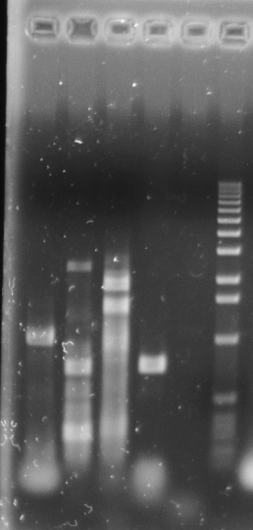
Date : | 2014-12-05 | Title : | Yam-polerovirus chromosome walking

Manipulator : | Serge Galzi
Author : | Denis Filloux

RT-PCR : |  |  |  |  | Mix RT-PCR | Dose (µl) | Dose (µl)
 |  |  |  |  | Nb. samples | 1 | 1.5
- Dispense 37,5 µl of Mix PCR into each PCR tube
- Add 1 µl of RNA into each tube |  |  |  |  | RNase-free H2O | 15 | 22.5
- Run the PCR with this program : |  |  |  |  | 5 X Qiagen OneStep RT-PCR Buffer | 5 | 7.5
 | step 1 : 50°C for 30 min |  |  |  | dNTP Mix (10 mM) | 1 | 1.5
 | step 2 : 95°C for 15 min |  |  |  | Forward primer (10 µM) | 1.5 | 2.25
 | step 3 : 94°C for 1 min |  |  |  | Reverse primer (10 µM) | 1.5 | 2.25
 | step 4 : 55°C for 1 min |  |  |  | Qiagen OneStep RT-PCR Enzyme Mix | 1 | 1.5
 | step 5 : 72°C for 1 min 20 s (35 cycles with step 3)
 | step 6 : 72°C for 10 min |  |  |  | Total | 25 | 37.5
 | step 7 : 15°C (pause)
- Migrate the PCR product : 25 min (agarose 1,2 g/l TAE ; 100 V) |  |  |  | A | Luteo3F : GAGGAGGTATAAGATCGAGC | 862
- Sequence directly in double strand the PCR products |  |  |  | B | Luteo5F : TGGCCAAGATCGACGTGCA | 1907
 |  |  |  | C | LuteoRdRp1F : GGCTGGCCCCAGTTCGG | 2230
 |  |  |  | D | Luteo7F : GGGTGACGACGCTATAGAG | 3230
 |  |  |  | E | LuteoCP1F : CCCACCAATGGTTGTGGTC | 3821
 |  |  |  |  | Filloux (unpublished)

 |  |  |  | 1 | Luteo6R : TAGAAGCTTGCGGCGTAGG | 2059
 |  |  |  | 2 | LuteoRdRp2R : GCGGTAACGCCCCTCATC | 2725
 |  |  |  | 3 | Luteo8R : GATATGCGAACAGAATTCCAG | 3332
 |  |  |  | 4 | LuteoCP2R : GTGGTAGGCGTTAAGAATTCC | 4049
 |  |  |  | 5 | Luteo10R : CCCAAACTTACAATCACGCC | 5046
 |  |  |  |  | Filloux (unpublished)

 |  |  |  |  | Sample | Species | Primers | Band size | Band | Aspecific band
 |  |  |  | 1 | IgB4_554 RNA - 15/10/2014 | D. trifida | A1 | 1197 | +++ | -
 |  |  | to sequence directly : YAM-POLEO-B2 --> | 2 | IgB4_554 RNA - 15/10/2014 | D. trifida | B2 | 818 | +++ | +++
 |  |  |  | 3 | IgB4_554 RNA - 15/10/2014 | D. trifida | C3 | 1102 | +++ | +++
 |  |  | to sequence directly : YAM-POLEO-D4 --> | 4 | IgB4_554 RNA - 15/10/2014 | D. trifida | D4 | 819 | +++ | -
 |  |  | to sequence directly : YAM-POLEO-E5 --> | 5 | IgB4_554 RNA - 15/10/2014 | D. trifida | E5 | 1225 | - | -

 | 1 ------> 5

SG_18_03_2015
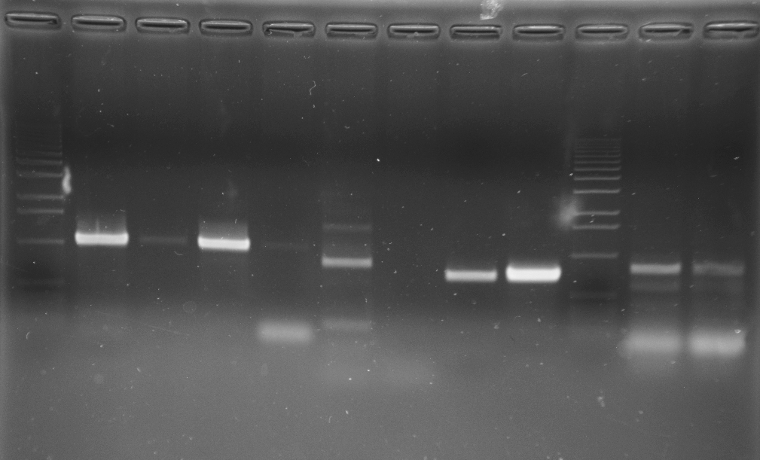
Date : | 2015-03-18 | Title : | Yam-polerovirus chromosome walking

Manipulator : | Serge Galzi
Author : | Denis Filloux

RT-PCR : |  |  |  |  | Mix RT-PCR | Dose (µl) | Dose (µl)
 |  |  |  |  | Nb. samples | 1 | 1.5
- Dispense 37,5 µl of Mix PCR into each PCR tube
- Add 1 µl of RNA into each tube |  |  |  |  | RNase-free H2O | 15 | 22.5
- Run the PCR with this program : |  |  |  |  | 5 X Qiagen OneStep RT-PCR Buffer | 5 | 7.5
 | step 1 : 50°C for 30 min |  |  |  | dNTP Mix (10 mM) | 1 | 1.5
 | step 2 : 95°C for 15 min |  |  |  | Forward primer (10 µM) | 1.5 | 2.25
 | step 3 : 94°C for 1 min |  |  |  | Reverse primer (10 µM) | 1.5 | 2.25
 | step 4 : Ta°C for 1 min |  |  |  | Qiagen OneStep RT-PCR Enzyme Mix | 1 | 1.5
 | step 5 : 72°C for 1 min 20 s (35 cycles with step 3)
 | step 6 : 72°C for 10 min |  |  |  | Total | 25 | 37.5
 | step 7 : 15°C (pause)
- Migrate the PCR product : 25 min (agarose 12 g/l TAE ; 100 V)
- Sequence directly in double strand the PCR products |  |  |  |  |  | Position
 |  |  |  | A | Luteo3F : GAGGAGGTATAAGATCGAGC | 862
 |  |  |  | B | Luteo11F : TCGAGCAGTCAGTTGAGGG | 876
 |  |  |  | C | LuteoRdRp1F : GGCTGGCCCCAGTTCGG | 2230
 |  |  |  | D | Luteo13F : TGGTGAGGGGGGGTTATTG | 2631
 |  |  |  | E | Luteo9F : CGTAGTTGCCGTTGAAGACG | 4923
 |  |  |  |  | Filloux (unpublished)

 |  |  |  | 1 | Luteo6R : TAGAAGCTTGCGGCGTAGG | 2059
 |  |  |  | 2 | Luteo12R : GTTTGACACCCCAGTCGTAG | 2081
 |  |  |  | 3 | Luteo8R : GATATGCGAACAGAATTCCAG | 3332
 |  |  |  | 4 | Luteo14R : GATCCTCGGAGATGCAAAGA | 3350
 |  |  |  | 5 | Polero3PR : ACACCGNANNGCCNNNGG | 6024
 |  |  |  |  | Filloux (unpublished)

 |  |  |  |  | Sample | Species | Primers | Band size | Ta°C | Band | Aspecific band | Direct sequencing |  |  |  | A séquencer
 |  |  |  | 1 | IgB4_554 RNA - 15/10/2014 | D. trifida | A1 | 1197 | 55 | +++ | - | YAMPOLEROA1 |  | A1 lutéo3F-6R | à faire | Luteo6R : TAGAAGCTTGCGGCGTAGG
 |  |  |  | 2 | IgB4_554 RNA - 15/10/2014 | D. trifida | A2 | 1219 | 55 | + | - | YAMPOLEROA2-1 | <--- Ce produit a été cloné dans pGEM-T Easy | A2-1luteoplasm | fait | SP6
 |  |  |  | 3 | IgB4_554 RNA - 15/10/2014 | D. trifida | B1 | 1183 | 55 | +++ | - | YAMPOLEROB1 |  | B1 lutéo11F-6R
 |  |  |  | 4 | IgB4_554 RNA - 15/10/2014 | D. trifida | B2 | 1205 | 55 | + | -
 |  |  |  | 5 | IgB4_554 RNA - 15/10/2014 | D. trifida | C3 | 1102 | 55 | ++? | ++ | YAMPOLEROC3-1 | <--- Ce produit a été cloné dans pGEM-T Easy
 |  |  |  | 6 | IgB4_554 RNA - 15/10/2014 | D. trifida | C4 | 1120 | 55 | - | -
 |  |  |  | 7 | IgB4_554 RNA - 15/10/2014 | D. trifida | D3 | 701 | 55 | +++ | - | YAMPOLEROD3 |  | D3 lutéo13F-8R | à faire | Luteo8R : GATATGCGAACAGAATTCCAG
 |  |  |  | 8 | IgB4_554 RNA - 15/10/2014 | D. trifida | D4 | 719 | 55 | +++ | - | YAMPOLEROD4 |  | D4 lutéo13F-14R | à faire | Luteo14R : GATCCTCGGAGATGCAAAGA
 |  |  |  | 9 | IgB4_554 RNA - 15/10/2014 | D. trifida | E5 | 1101 | 49 | - | -

 | 1 ------ 8 |  |  |  |  |  |  |  |  |  | 9

